Optimizer
 | Matthew Dorris
 | Baseball Optimization Analysis


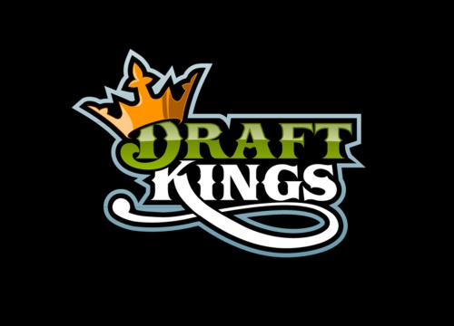

Points | 121.32521453 | Johnny Cueto | Drew Pomeranz | Trea Turner | Mike Trout
Cost | 50000
 |  | Roman Quinn | Ian Kinsler | Josh Donaldson | Gary Sanchez

